Sheet1
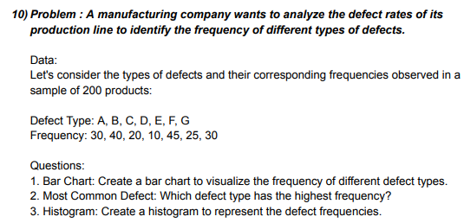
Defect Types
Defect Type | Frequency |  | 1. BAR GRAPH
A | 30
B | 40
C | 20
D | 10
E | 45
F | 25
G | 30

 |  | 2. The highest frequency is of defect type E [i.e: 45]

 |  | 3. HISTOGRAM

